FY 2021 rate conversion example
FY 2021 CONVERSION OF NSF's ACR "deductive" rate to an ACR Overhead Rate

Fiscal Year 2021 |  | NSF Bulletin 21-07

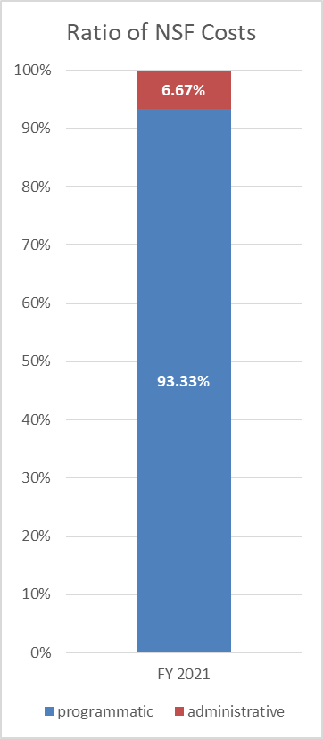
 |  | NSF's prior ACR "deductive" rate is a RATIO of total costs that add up to 100%: 6.67 to 93.33

 |  | An OVERHEAD RATE is the ratio expressed as a fraction: admin costs ÷ program costs

 |  | admin | 6.67 | = | 7.147% | overhead rate
 |  | program | 93.33

 |  | Application: | $93,330 | x 7.147% = | $6,670 | $100,000
 |  |  | program | overhead rate | admin | IAA total

 |  | Incorrect: | $93,330 | x 6.670% = | $6,225 | $99,555
 |  |  | program | deductive rate | admin | total

 |  |  |  |  | difference (ACR shortage) | ($445)

NOTE: Use of "overhead" versus "deductive" rate on an IAA - results in same amount of administrative/overhead fees
(example based on total of $100,000 being transferred to NSF)
FY 2021
NSF's "deductive" ACR rate |  |  | IAA funding line splits
 | $100,000 | total IAA | (Total has to be known to use "deductive" ACR rate)
6.670% | ($6,670) | admin | line 2 - overhead fee
 | $93,330 | program | line 1 - direct costs
FY 2021
ACR calculated as an "overhead" rate |  |  | IAA funding line splits
 | $93,330 | program | line 1 - direct costs
7.147% | $6,670 | admin | line 2 - overhead fee
 | $100,000 | total IAA | (sum calculated by G-INV)

